leukaemia_cml_i17
Chronic Myeloid Leukaemia (C92.1): 2015-2017

Average Number of New Cases Per Year and Age-Specific Incidence Rates per 100,000 Population, UK

Age Range | Female Cases | Male Cases | Female Rates | Male Rates
0 to 04 | 0 | 0 | 0.0 | 0.0
05 to 09 | 0 | 1 | 0.0 | 0.1
10 to 14 | 1 | 3 | 0.1 | 0.1
15 to 19 | 7 | 4 | 0.4 | 0.2
20 to 24 | 7 | 10 | 0.3 | 0.5
25 to 29 | 9 | 15 | 0.4 | 0.7
30 to 34 | 13 | 18 | 0.6 | 0.8
35 to 39 | 15 | 20 | 0.7 | 0.9
40 to 44 | 16 | 25 | 0.8 | 1.2
45 to 49 | 29 | 36 | 1.3 | 1.6
50 to 54 | 26 | 37 | 1.1 | 1.6
55 to 59 | 33 | 39 | 1.6 | 2.0
60 to 64 | 33 | 42 | 1.8 | 2.4
65 to 69 | 35 | 44 | 1.9 | 2.5
70 to 74 | 37 | 48 | 2.5 | 3.5
75 to 79 | 28 | 40 | 2.4 | 4.0
80 to 84 | 27 | 30 | 2.9 | 4.4
85 to 89 | 22 | 17 | 3.7 | 4.6
90+ | 11 | 7 | 2.8 | 4.1
All Ages | 351 | 438 | 1.1 | 1.5

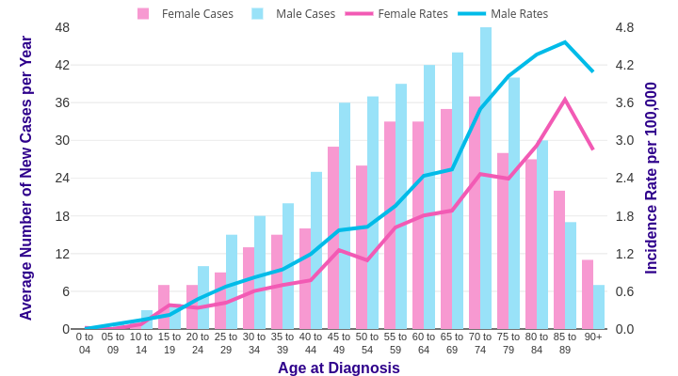

Source: cruk.org/cancerstats

You are welcome to reuse this Cancer Research UK statistics content for your own work.
Credit us as authors by referencing Cancer Research UK as the source.
Suggested style: Cancer Research UK, full URL of the page, Accessed [month] [year].

